Defect Report
Sign-up with OTP module

Test case ID | Defect ID | Defect Description | Step to Reproduce | Periority | Severity | Status | Assigned To | Screen Shot
TS ID 002 | DF ID 001 | Even if I enter registered mobile number , OTP is being sent only to the registered Email-id. | 1) Enter mobile number 2) Enter captcha code 3) Click on Sign-in with OTP 4) Enter Otp 5) Click on submit Button | High | Medium | Open | Developer Name | 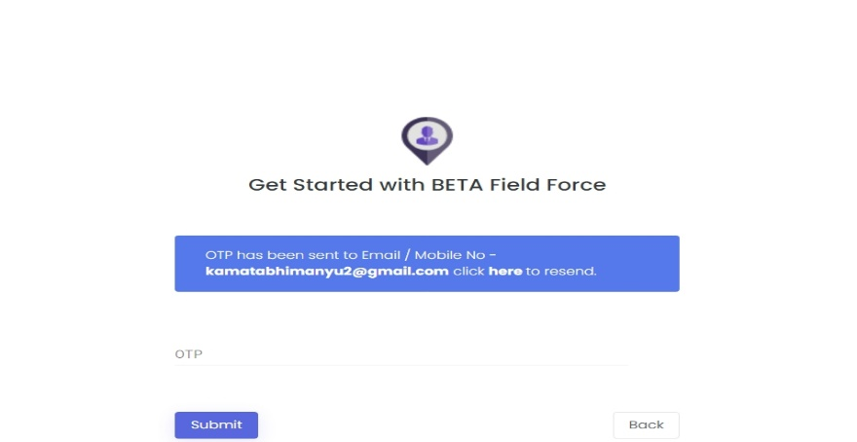

Login Module

TS ID 005 | DF ID 001 | Email-id is correct, password is incorrect but still incorrect Email-Id is showing in error message | 1) Enter Email-id 2) Enter password 3) Enter captcha code 4) Enter sign-in button | High | Low | open | Developer Name | 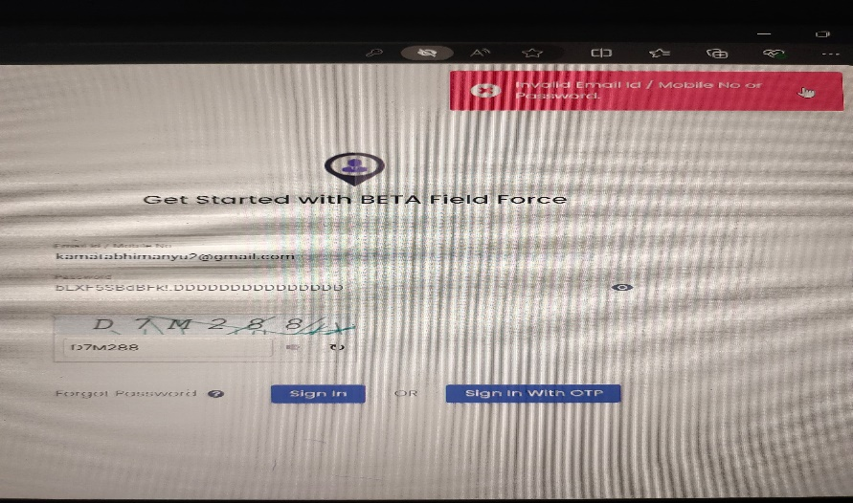

TS ID 006 | DF ID 002 | Mobile no is correct, password is incorrect but still incorrect Mobilee no is showing in error message | 1) Enter mobile no 2) Enter password 3) Enter captcha code 4) Enter sign-in button | High | Low | Open | Developer Name | 